2011 Widiastuti et al.
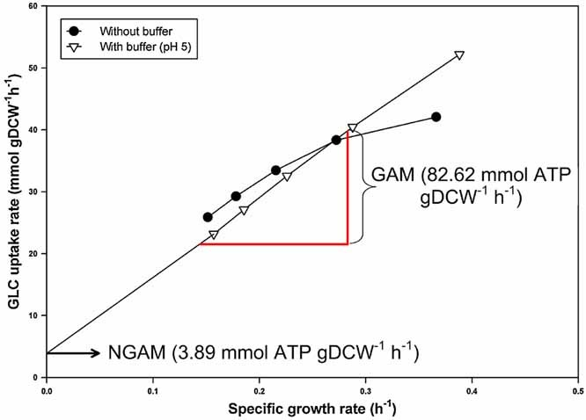
Growth_Rate_h-1 | Glucose_Uptake_mmol/gDW/h
0.15655737705 | 23.14101432
0.18524590164 | 27.067378201
0.22540983607 | 32.395669367
0.2868852459 | 40.387760587 | Widiastuti H, Kim JY, Selvarasu S, et al. Genome-scale modeling and in silico analysis of ethanologenic bacteria Zymomonas mobilis. Biotechnol Bioeng. 2011;108(3):655-665. doi:10.1002/bit.22965
0.38770491803 | 52.022190655 | *to extract the values for the with buffer data points I uploaded the figure to WebPlotDigitizer

